Graphs
 | AXLE LOAD DATA ANALYSIS (KAMPALA - MITYANA HIGHWAY)
Load Description (Kampala-Mityana Highway)
Truck Composition for Kampala - Mityana Highway
Vehicle Categories |  |  |  |  |  | Load Description
 | Truck Type | Kampala-Mityana | Mityana-Kampala | Both Directions |  | Category | Kampala-Mityana | Mityana-Kampala
7 | Light/Medium Trucks | 104 | 109 | 213 |  | Agricultural produce | 2.7% | 33.7%
9 | Heavy Trucks | 35 | 16 | 51 |  | Perishable | 0.0% | 0.0%
10 | Truck/Trailer | 85 | 56 | 141 |  | Construction Material | 12.1% | 24.3%
 | Totals | 224 | 181 | 405 |  | Metal/machinery | 1.8% | 1.1%
 |  |  |  |  |  | Forestry products | 0.0% | 0.0%
 |  |  |  |  |  | Fuels | 7.6% | 0.0%
 |  |  |  |  |  | Chemical Products | 1.3% | 0.0%
 |  |  |  |  |  | Livestock | 0.0% | 0.0%
 |  |  |  |  |  | Household retail products | 13.4% | 2.8%
 |  |  |  |  |  | Empty | 41.1% | 21.5%
 |  |  |  |  |  | Others | 20.1% | 16.6%
 |  |  |  |  |  | Total | 224 | 181

Average Truck Loading (Kampala - Mityana Higwhay)
Average Total Loading (Tonnes)
 | Truck Type | Kampala-Mityana | Mityana-Kampala | Both Directions | Limit
7 | Light/Medium Trucks | 12.8 | 17.2 | 15.0 | 18
9 | Heavy Trucks | 22.3 | 24.8 | 23.5 | 27
10 | Truck/Trailer | 42.8 | 49.1 | 45.9 | 54
 | Totals

 |  |  |  |  |  | Proportion of Overloaded Trucks
 |  |  |  |  |  |  | Truck Type | Kampala-Mityana | Mityana-Kampala | Both Directions
 |  |  |  |  |  |  | 0-4.9% | 48.2% | 36.5% | 42.3%
 |  |  |  |  |  |  | 5-25% | 26.8% | 24.9% | 25.8%
 |  |  |  |  |  |  | 25-50% | 14.3% | 21.0% | 17.6%
 |  |  |  |  |  |  | Over 50% | 10.7% | 17.7% | 14.2%
Percentage By Which Vehicles Are Overloaded (Kampala-Mityana)
 |  |  |  |  |  |  |  | 224 | 181

Average Proportion of Overloaded Trucks (Kampala-Mityana)
Proportion of Overloaded Trucks
 | Truck Type | Kampala-Mityana | Mityana-Kampala | Both Directions
7 | Light/Medium Trucks | 39.4% | 73.4% | 56.4%
9 | Heavy Trucks | 71.4% | 68.8% | 70.1%
10 | Truck/Trailer | 75.3% | 64.3% | 69.8%
 | Overall | 58.0% | 70.2%

KEY
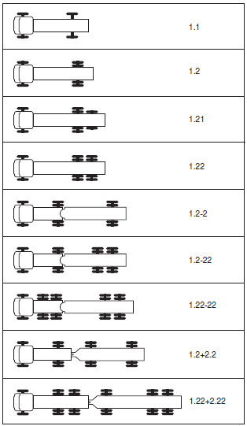
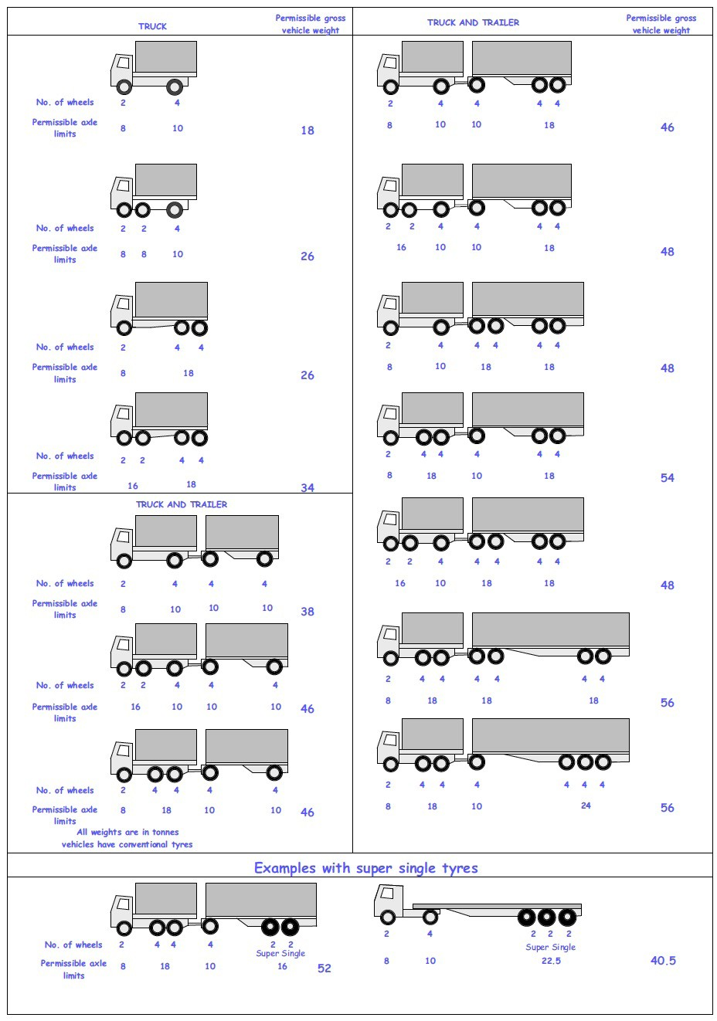
 |  |  |  |  | Axle Configuration
TRUCK TYPES |  |  |  |  | 2-Axles | 2-Axles | 3-Axle | 4-Axle | 5-Axle | 6-Axle | 7-Axle

7 | LIGHT SINGLE UNIT TRUCK-DYNAS AND TRACTORS(2 axles) |  |  |  | 1.1 | 1.2
8 | LIGHT/MEDIUM SINGLE UNIT TRUCKS (3 axles) |  |  |  |  |  | 1.22
9 | MEDIUM - SINGLE UNIT TRUCKS-LORRIES, FUSOS (4 axles) |  |  |  |  |  |  | 1.1-22
 |  |  |  |  |  |  |  | 1.222

10 | HEAVY TRUCK RIGID (5 axles) |  |  |  |  |  |  |  | 1.1-222
 |  |  |  |  |  |  |  |  | 1.2-222
 |  |  |  |  |  |  |  |  | 1.22-22
11 | TRUCK TRAILER AND SEMI TRAILER (6 axles) |  |  |  |  |  |  |  |  | 1.12-222
 |  |  |  |  |  |  |  |  |  | 1.22-222
 |  |  |  |  |  |  |  |  |  | 1.22+1-22
 |  |  |  |  |  |  |  |  |  | 1.22+2-22
 |  |  |  |  |  |  |  |  |  | 1.21-222
 |  |  |  |  |  |  |  |  |  | 1.22-111
12 | TRUCK TRAILER TYPE 2 (7 axles) |  |  |  |  |  |  |  |  |  | 1.11+11-11
 |  |  |  |  |  |  |  |  |  |  | 1.22+22-22
 |  |  |  |  |  |  |  |  |  |  | 1.12+11-22

 | 7. Light Truck
 | 8. Medium Truck
 | 9. Heavy truck
 | 10. Truck Trailer

 | 1*1 | Light Truck | 7 | 18
 | 1*2 | Light Truck | 7 | 18
 | 1*21 | Medium Truck | 8 | 26
 | 1*22 | Heavy Truck | 9 | 26
 | 1*2*2 | Truck Trailer | 10 | 46
 | 1*2*22 | Truck Trailer | 10 | 46
 | 1*22-22 | Truck Trailer | 10 | 46
 | 1*2*2*2 | Truck Trailer | 10 | 46
 | 1*22*2*22 | Truck Trailer | 10 | 46
 | 11*22 | Heavy Truck | 9 | 34

